Timesheet start page


 | Name of Person
 | Type of personnel:
 | weekly hours according to (employment-)contract:

EU-Project 1: |  |  | EU-Project 2:
Title of Action (Akronym) |  |  | Title of Action (Akronym)

Grant Agreement Number |  |  | Grant Agreement Number

Stellenanteil im Projekt |  |  | Stellenanteil im Projekt

 |  | Name of Supervisor

Work package |  |  | Work package
WP |  |  | WP
WP |  |  | WP
WP |  |  | WP
WP |  |  | WP
WP |  |  | WP
WP |  |  | WP

Steps:
1. | Fill in your name and surname, as well as your personnel status and the amount of weekly working hours as per stated in your contract(s).
2. | Fill in the information regarding the project(s) you are participating in. The official acronym is sufficient as project title. If you work for two projects (of the same supervisor) that require time records, you can run one timesheet for both projects.
3. | Please provide the Title, Name and Surname of your project Supervisor (Full name!).
4. | Specify the identifying number of the Work Packages you are active in, if available.

Timesheet Example
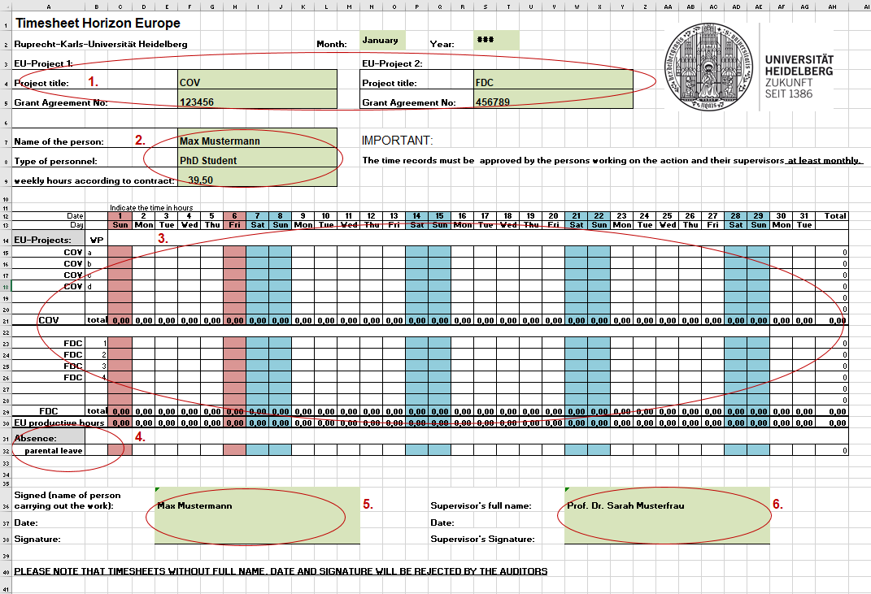

MANDATORY STEPS:
1. | Project title(s) and Grant Agreement Number(s) and work packages WPs will be automatically filled based on your entries in the "Time-sheet start page".
2. | Your name and surname, personnel status and weekly hours will be automatically filled based on your entries in the "Time-sheet start page".
3. | Please enter the hours worked corresponding the relevant EU-project and Work Package (WP).
* | Working hours go into the white-marked-cells (weekdays). No entries are required for days of absences due to weekend, statutory holidays and civil service holidays, annual leave or illness.
 |  | weekends
 |  | statutory holidays
 |  | civil service holidays
* | Please note: Scientific staff working full-time on the project (100%) is not allowed by the European Commission to give courses.
4. | If applicable, specify the hours of abscence due to parental leave. For each full day of absence, please enter the average daily working time according to your employment contract. Days actually spent on parental leave are taken into account when calculating the daily rate.
5. | IMPORTANT: Print the timesheet at the end of each month, include signatures and provide the date of signature. Please note that timesheets without these indication will be rejected by the auditors.
6. | IMPORTANT: Your supervisor's signature (normally the official PI of the project) must be accompanied by the date. Please note that timesheets without these indication will be rejected by the auditors.

